Highest_Revenue_Title
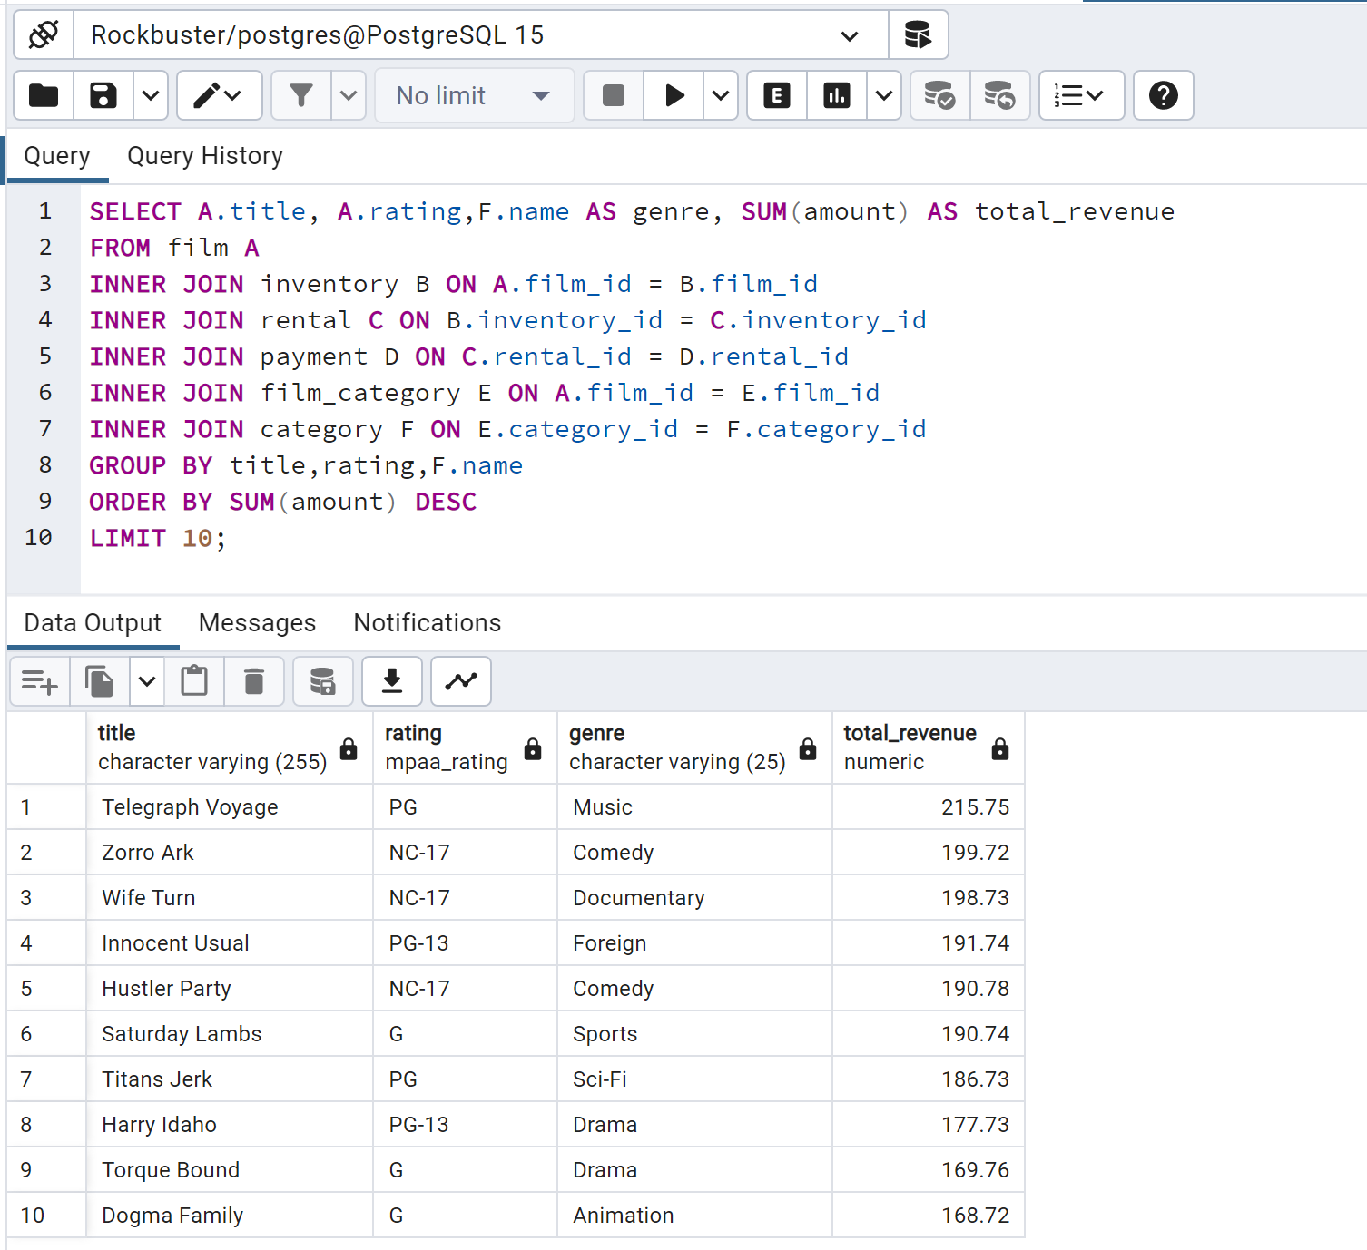
title | rating | name | total_revenue
Telegraph Voyage | PG | Music | 215.75
Zorro Ark | NC-17 | Comedy | 199.72
Wife Turn | NC-17 | Documentary | 198.73
Innocent Usual | PG-13 | Foreign | 191.74
Hustler Party | NC-17 | Comedy | 190.78
Saturday Lambs | G | Sports | 190.74
Titans Jerk | PG | Sci-Fi | 186.73
Harry Idaho | PG-13 | Drama | 177.73
Torque Bound | G | Drama | 169.76
Dogma Family | G | Animation | 168.72

Lowest_Revenue_Title
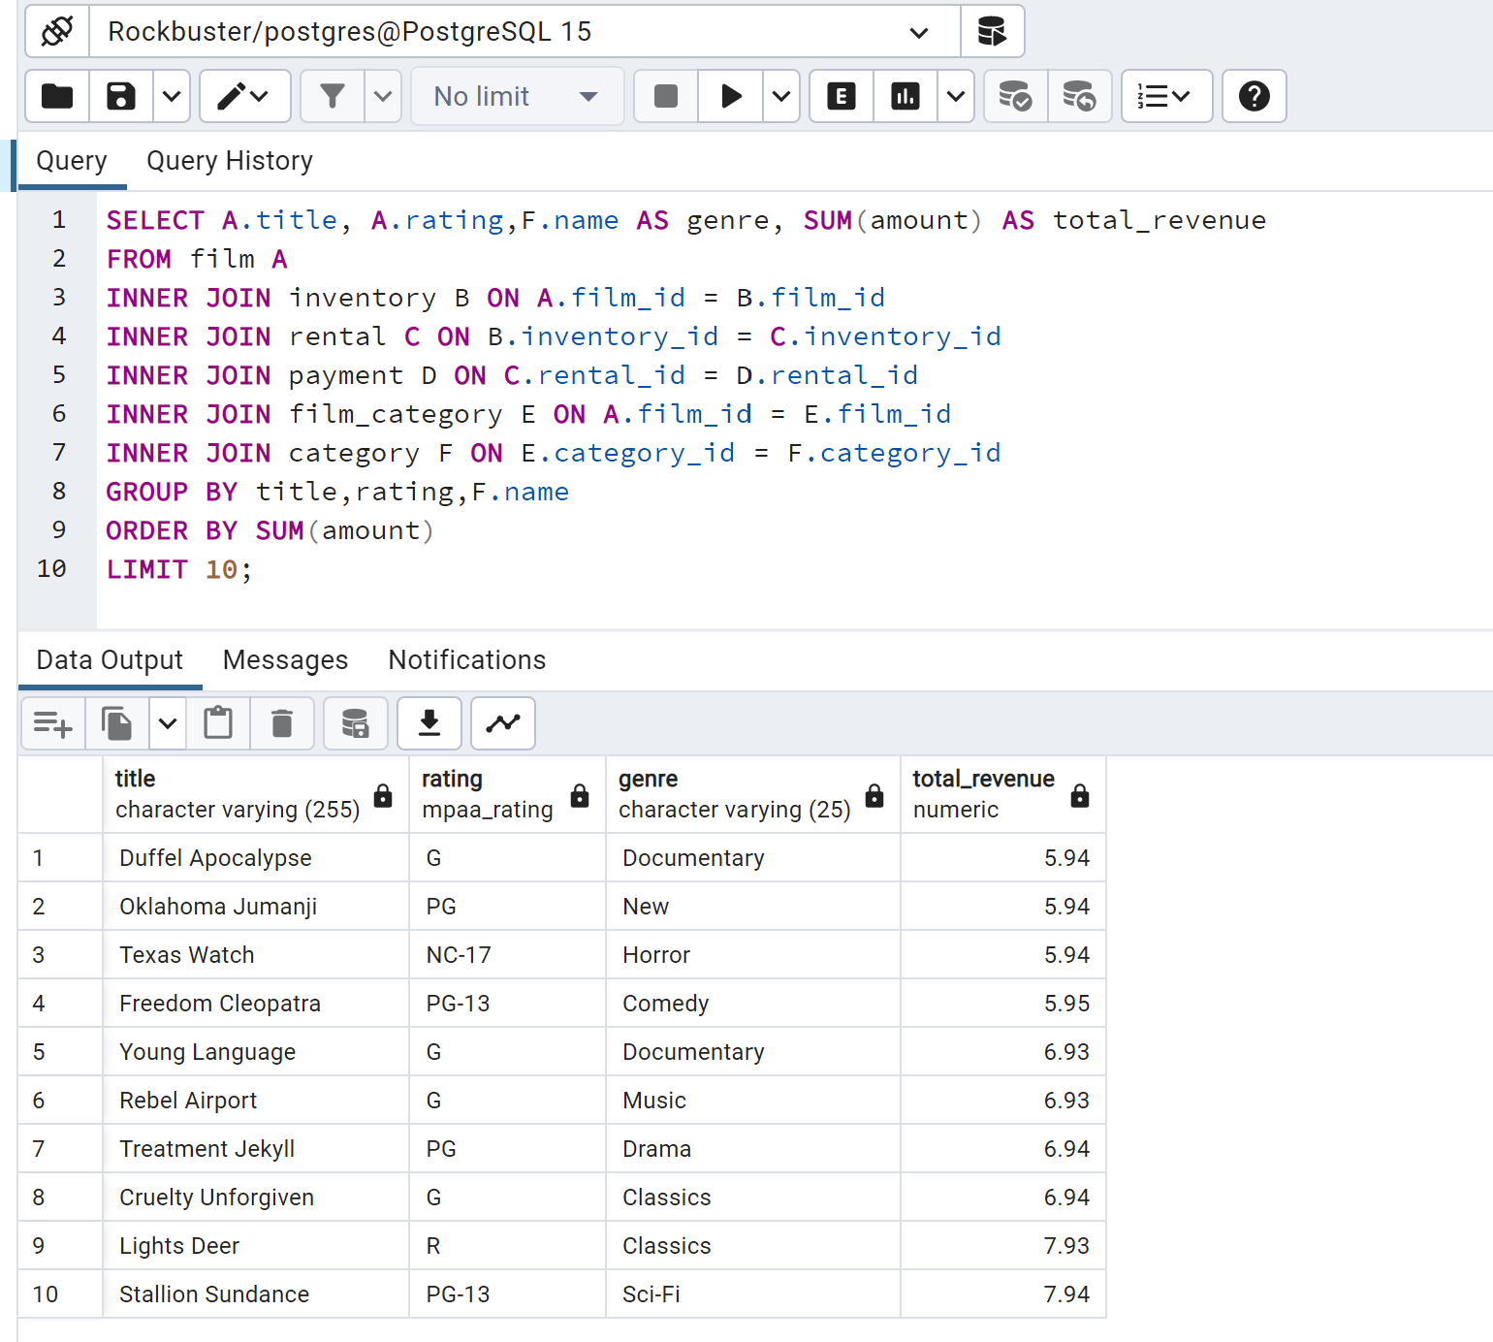
title | rating | genre | total_revenue
Oklahoma Jumanji | PG | New | 5.94
Duffel Apocalypse | G | Documentary | 5.94
Texas Watch | NC-17 | Horror | 5.94
Freedom Cleopatra | PG-13 | Comedy | 5.95
Young Language | G | Documentary | 6.93
Rebel Airport | G | Music | 6.93
Cruelty Unforgiven | G | Classics | 6.94
Treatment Jekyll | PG | Drama | 6.94
Lights Deer | R | Classics | 7.93
Japanese Run | G | Horror | 7.94

Revenue_Rating
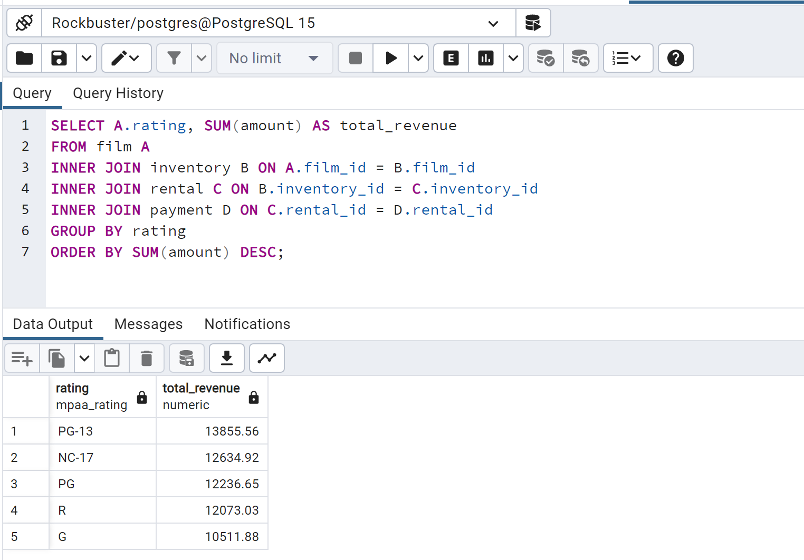
rating | total_revenue
PG-13 | 13855.56
NC-17 | 12634.92
PG | 12236.65
R | 12073.03
G | 10511.88

Revenue_Genre
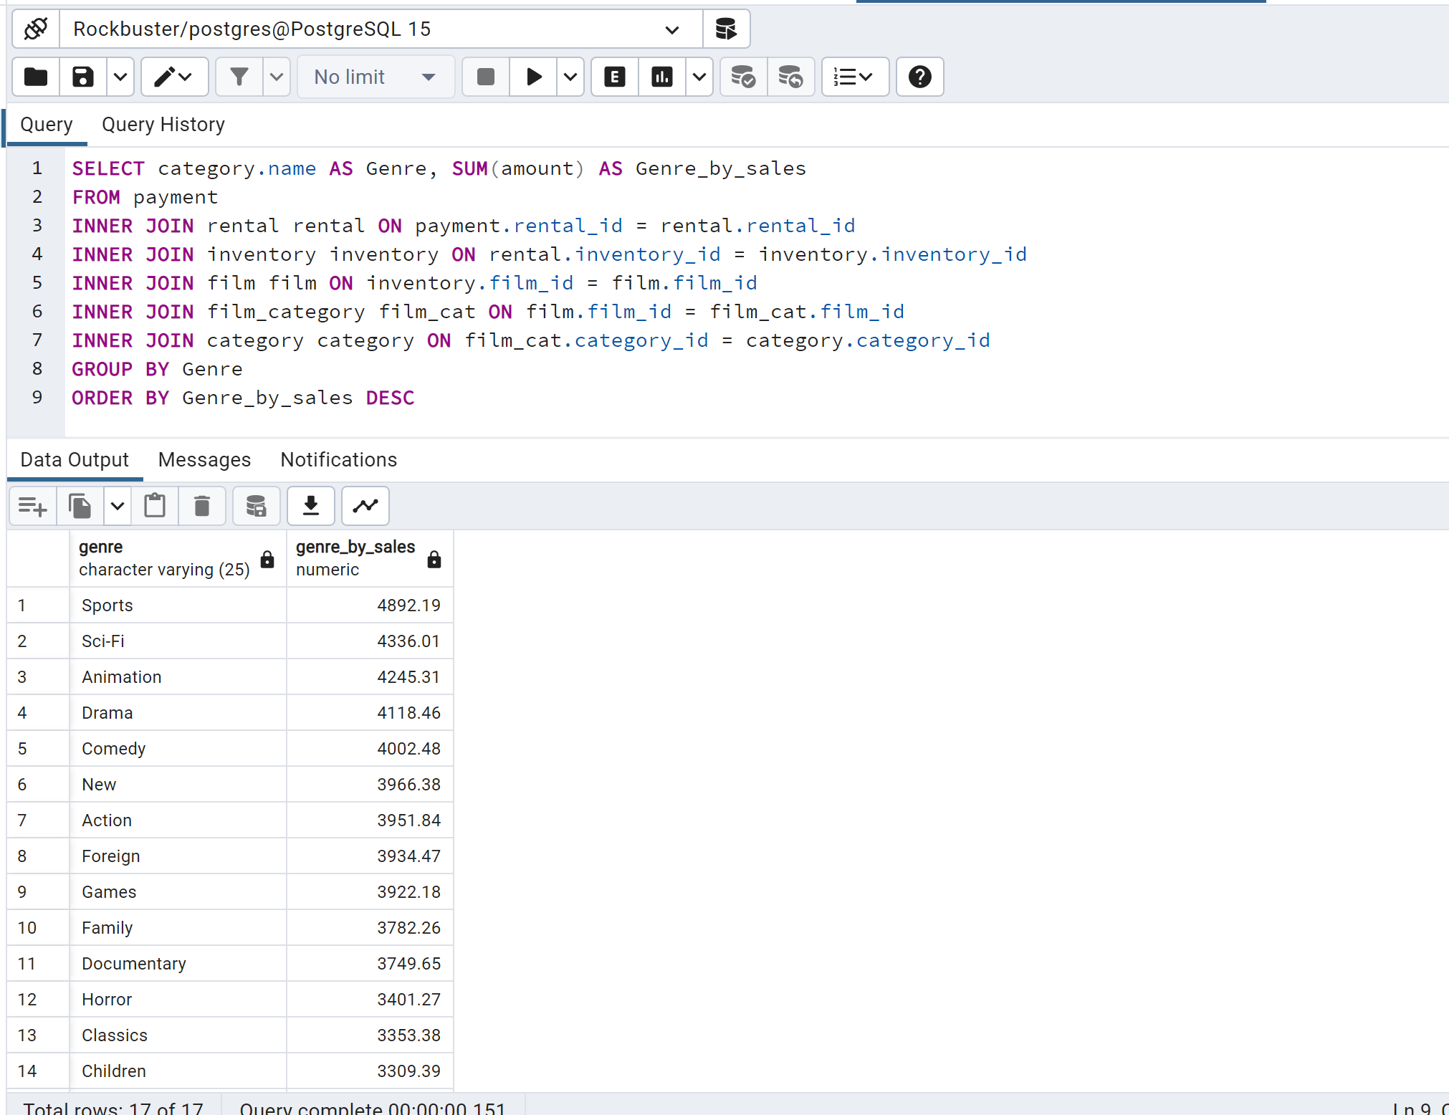
genre | total_revenue
Sports | 4892.19
Sci-Fi | 4336.01
Animation | 4245.31
Drama | 4118.46
Comedy | 4002.48
New | 3966.38
Action | 3951.84
Foreign | 3934.47
Games | 3922.18
Family | 3830.15
Documentary | 3749.65
Horror | 3401.27
Classics | 3353.38
Children | 3309.39
Travel | 3227.36
Music | 3071.52

Rental_Duration_Rating
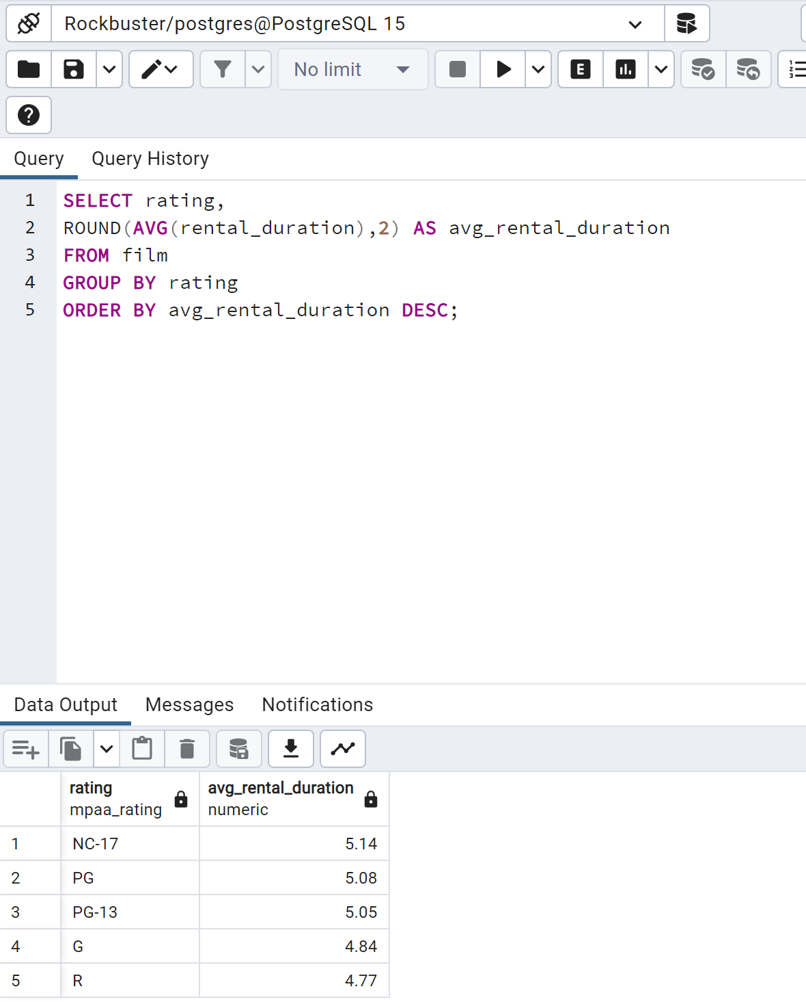
rating | average_rental_duration
NC-17 | 5.1428571429
PG | 5.0824742268
PG-13 | 5.0538116592
G | 4.8370786517
R | 4.7743589744

Rental_Duration_Genre
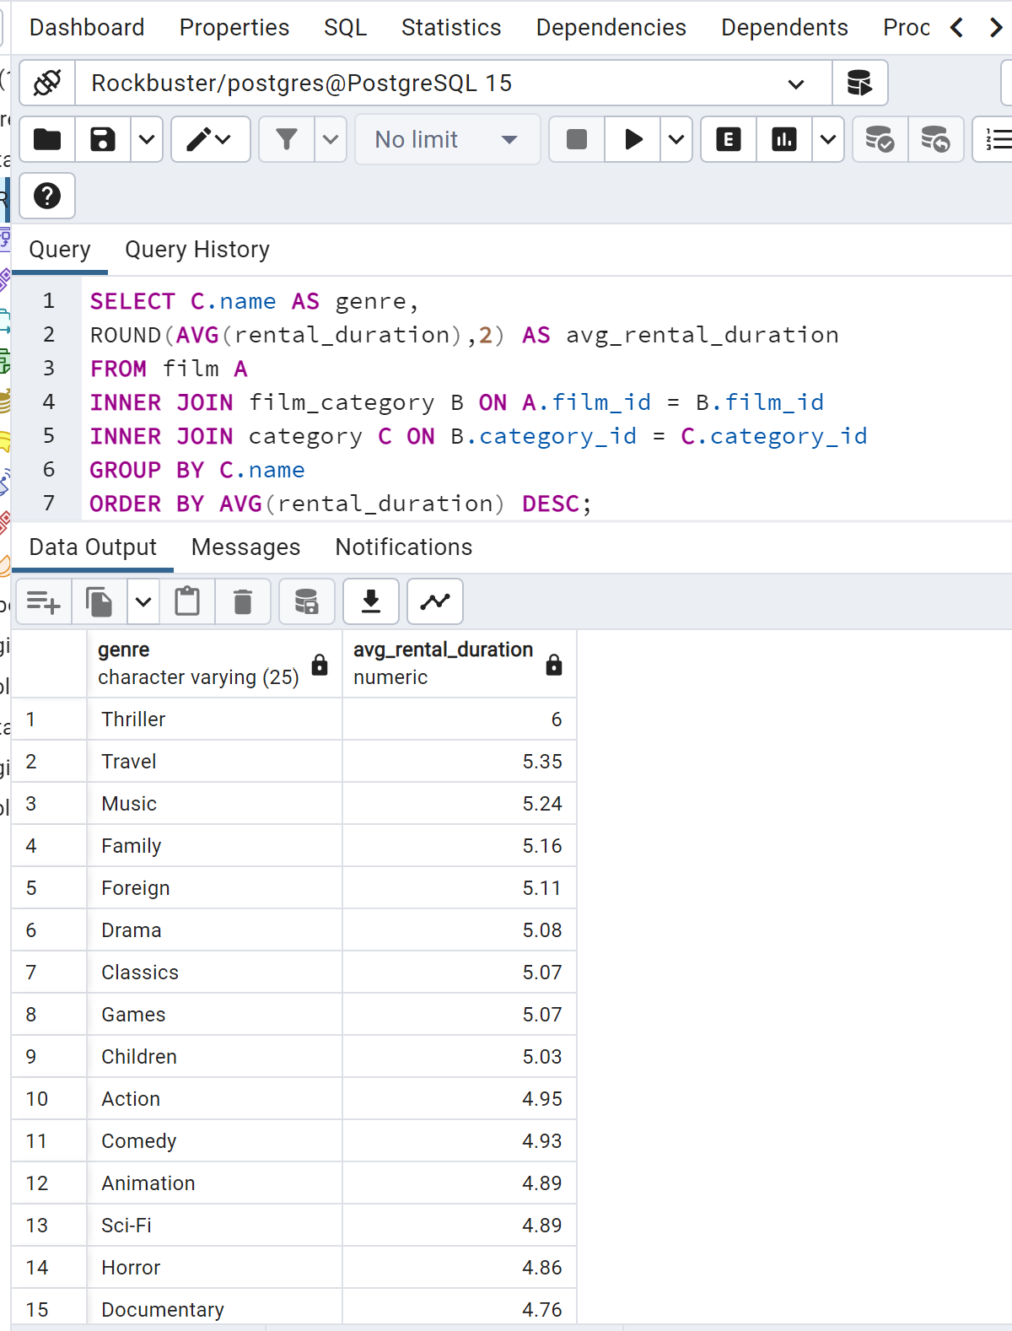
genre | average_rental_duration
Travel | 5.350877193
Music | 5.2352941176
Family | 5.1739130435
Foreign | 5.1095890411
Drama | 5.0806451613
Classics | 5.0701754386
Games | 5.0655737705
Children | 5.0333333333
Action | 4.953125
Comedy | 4.9310344828
Animation | 4.8939393939
Sci-Fi | 4.8852459016
Horror | 4.8571428571
Documentary | 4.7647058824
New | 4.746031746
Sports | 4.7162162162

Customer_Base_Country
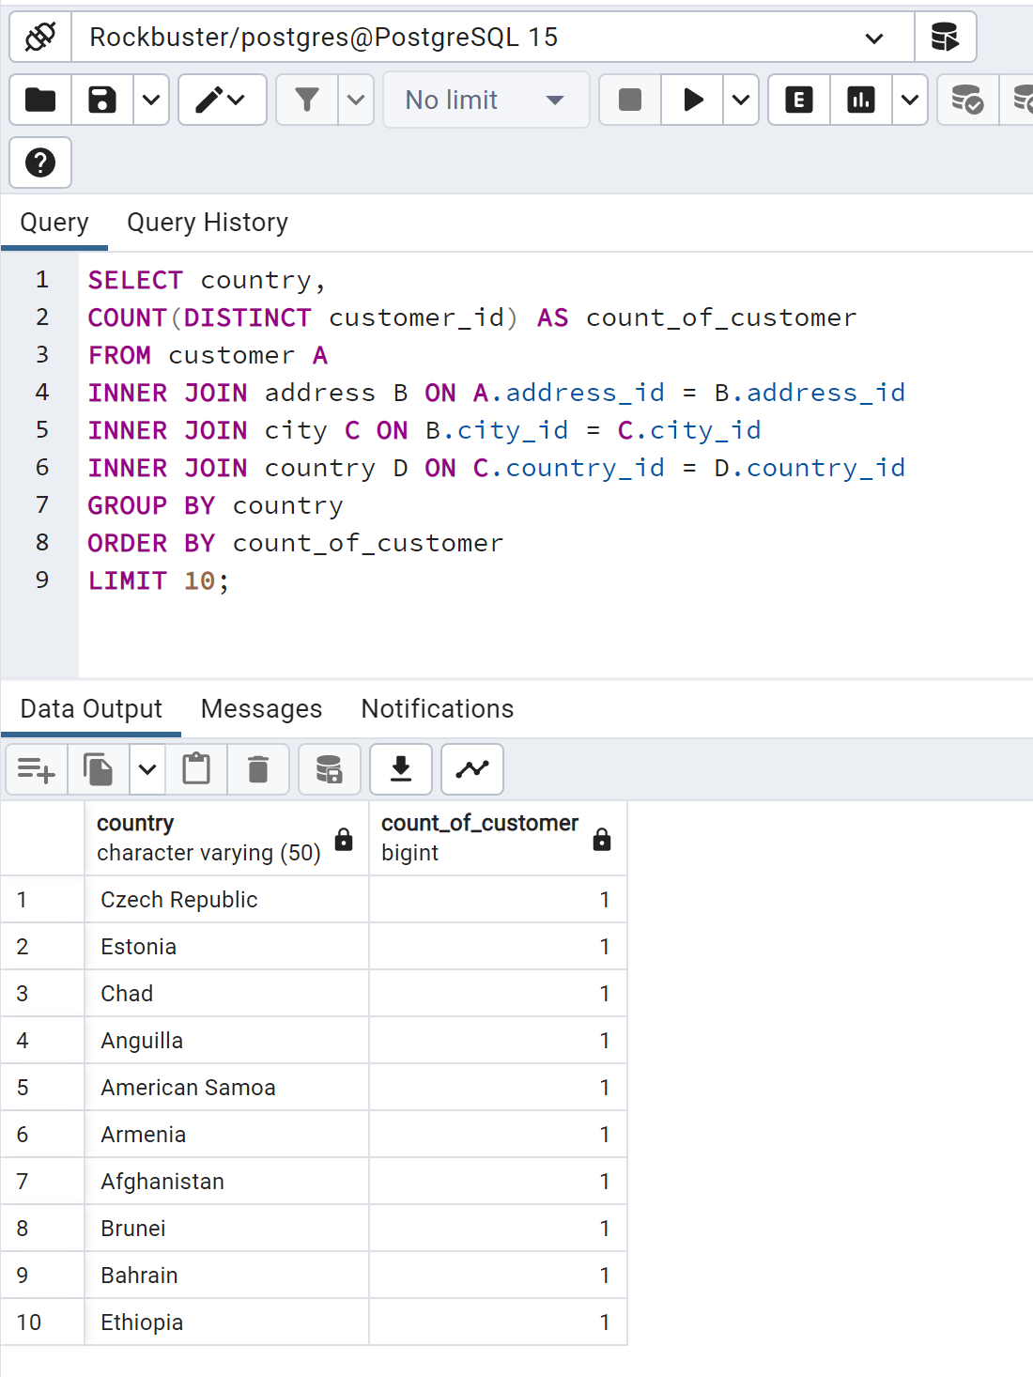
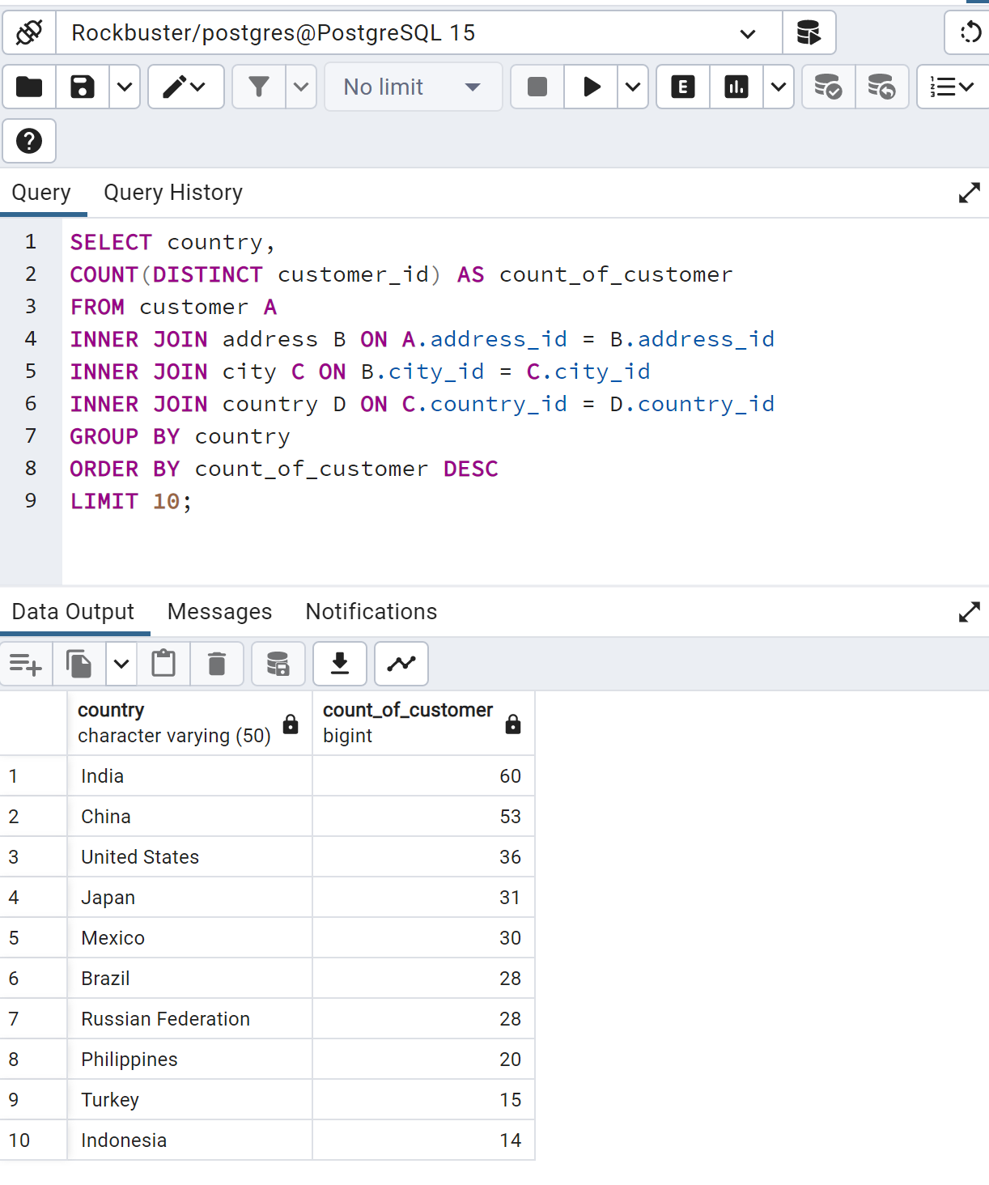
country | customer_count
India | 60
China | 53
United States | 36
Japan | 31
Mexico | 30
Brazil | 28
Russian Federation | 28
Philippines | 20
Turkey | 15
Indonesia | 14
Nigeria | 13
Argentina | 13
South Africa | 11
Taiwan | 10
United Kingdom | 9
Iran | 8
Poland | 8
Italy | 7
Germany | 7
Venezuela | 7
Egypt | 6
Ukraine | 6
Vietnam | 6
Colombia | 6
Spain | 5
Canada | 5
Saudi Arabia | 5
Netherlands | 5
Pakistan | 5
South Korea | 5
Peru | 4
France | 4
Yemen | 4
Israel | 4
Algeria | 3
Switzerland | 3
Tanzania | 3
United Arab Emirates | 3
Morocco | 3
Bangladesh | 3
Chile | 3
Thailand | 3
Malaysia | 3
Austria | 3
Paraguay | 3
Mozambique | 3
Ecuador | 3
Dominican Republic | 3
Sudan | 2
Bolivia | 2
Greece | 2
Belarus | 2
Bulgaria | 2
Yugoslavia | 2
Cambodia | 2
Cameroon | 2
Romania | 2
Puerto Rico | 2
Kazakstan | 2
Kenya | 2
Angola | 2
Latvia | 2
Azerbaijan | 2
Congo, The Democratic Republic of the | 2
Oman | 2
Myanmar | 2
French Polynesia | 2
Zambia | 1
American Samoa | 1
Anguilla | 1
Armenia | 1
Bahrain | 1
Brunei | 1
Chad | 1
Czech Republic | 1
Estonia | 1
Ethiopia | 1
Faroe Islands | 1
Finland | 1
French Guiana | 1
Gambia | 1
Greenland | 1
Holy See (Vatican City State) | 1
Hong Kong | 1
Hungary | 1
Iraq | 1
Kuwait | 1
Liechtenstein | 1
Lithuania | 1
Madagascar | 1
Malawi | 1
Moldova | 1
Nauru | 1
Nepal | 1
New Zealand | 1
North Korea | 1
Runion | 1
Saint Vincent and the Grenadines | 1
Senegal | 1
Slovakia | 1
Sri Lanka | 1
Sweden | 1
Tonga | 1
Tunisia | 1
Turkmenistan | 1
Tuvalu | 1
Virgin Islands, U.S. | 1
Afghanistan | 1

Top_Lifetime_Value
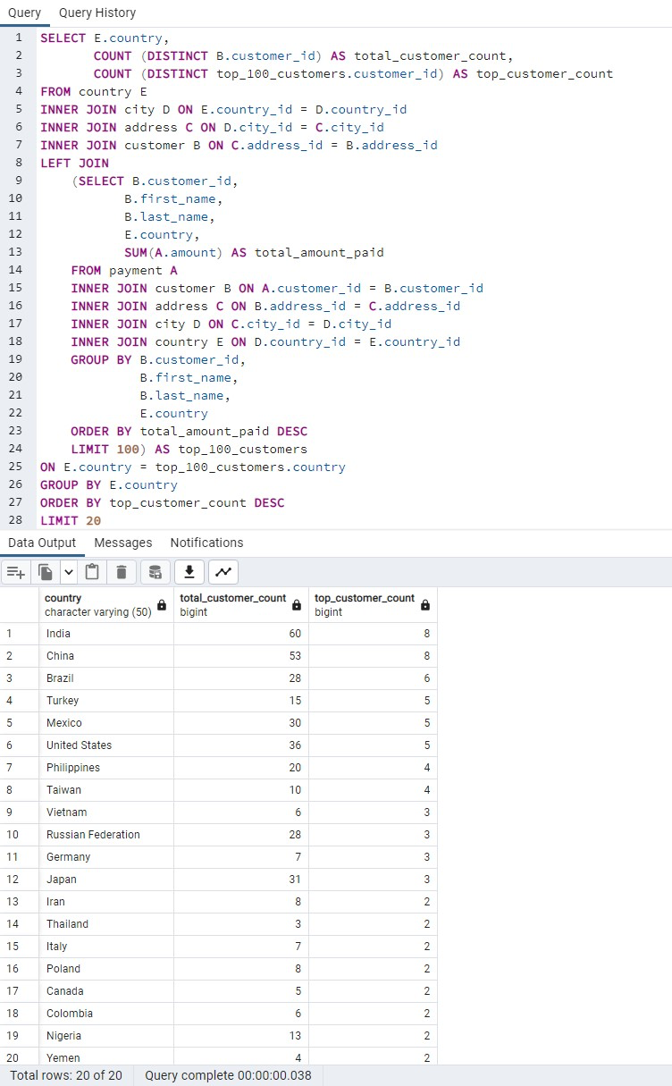
country | total_customer_count | top_customer_count
India | 60 | 8
China | 53 | 8
Brazil | 28 | 6
Turkey | 15 | 5
Mexico | 30 | 5
United States | 36 | 5
Philippines | 20 | 4
Taiwan | 10 | 4
Vietnam | 6 | 3
Russian Federation | 28 | 3
Germany | 7 | 3
Japan | 31 | 3
Iran | 8 | 2
Thailand | 3 | 2
Italy | 7 | 2
Poland | 8 | 2
Canada | 5 | 2
Colombia | 6 | 2
Nigeria | 13 | 2
Yemen | 4 | 2

Top_100_Customers
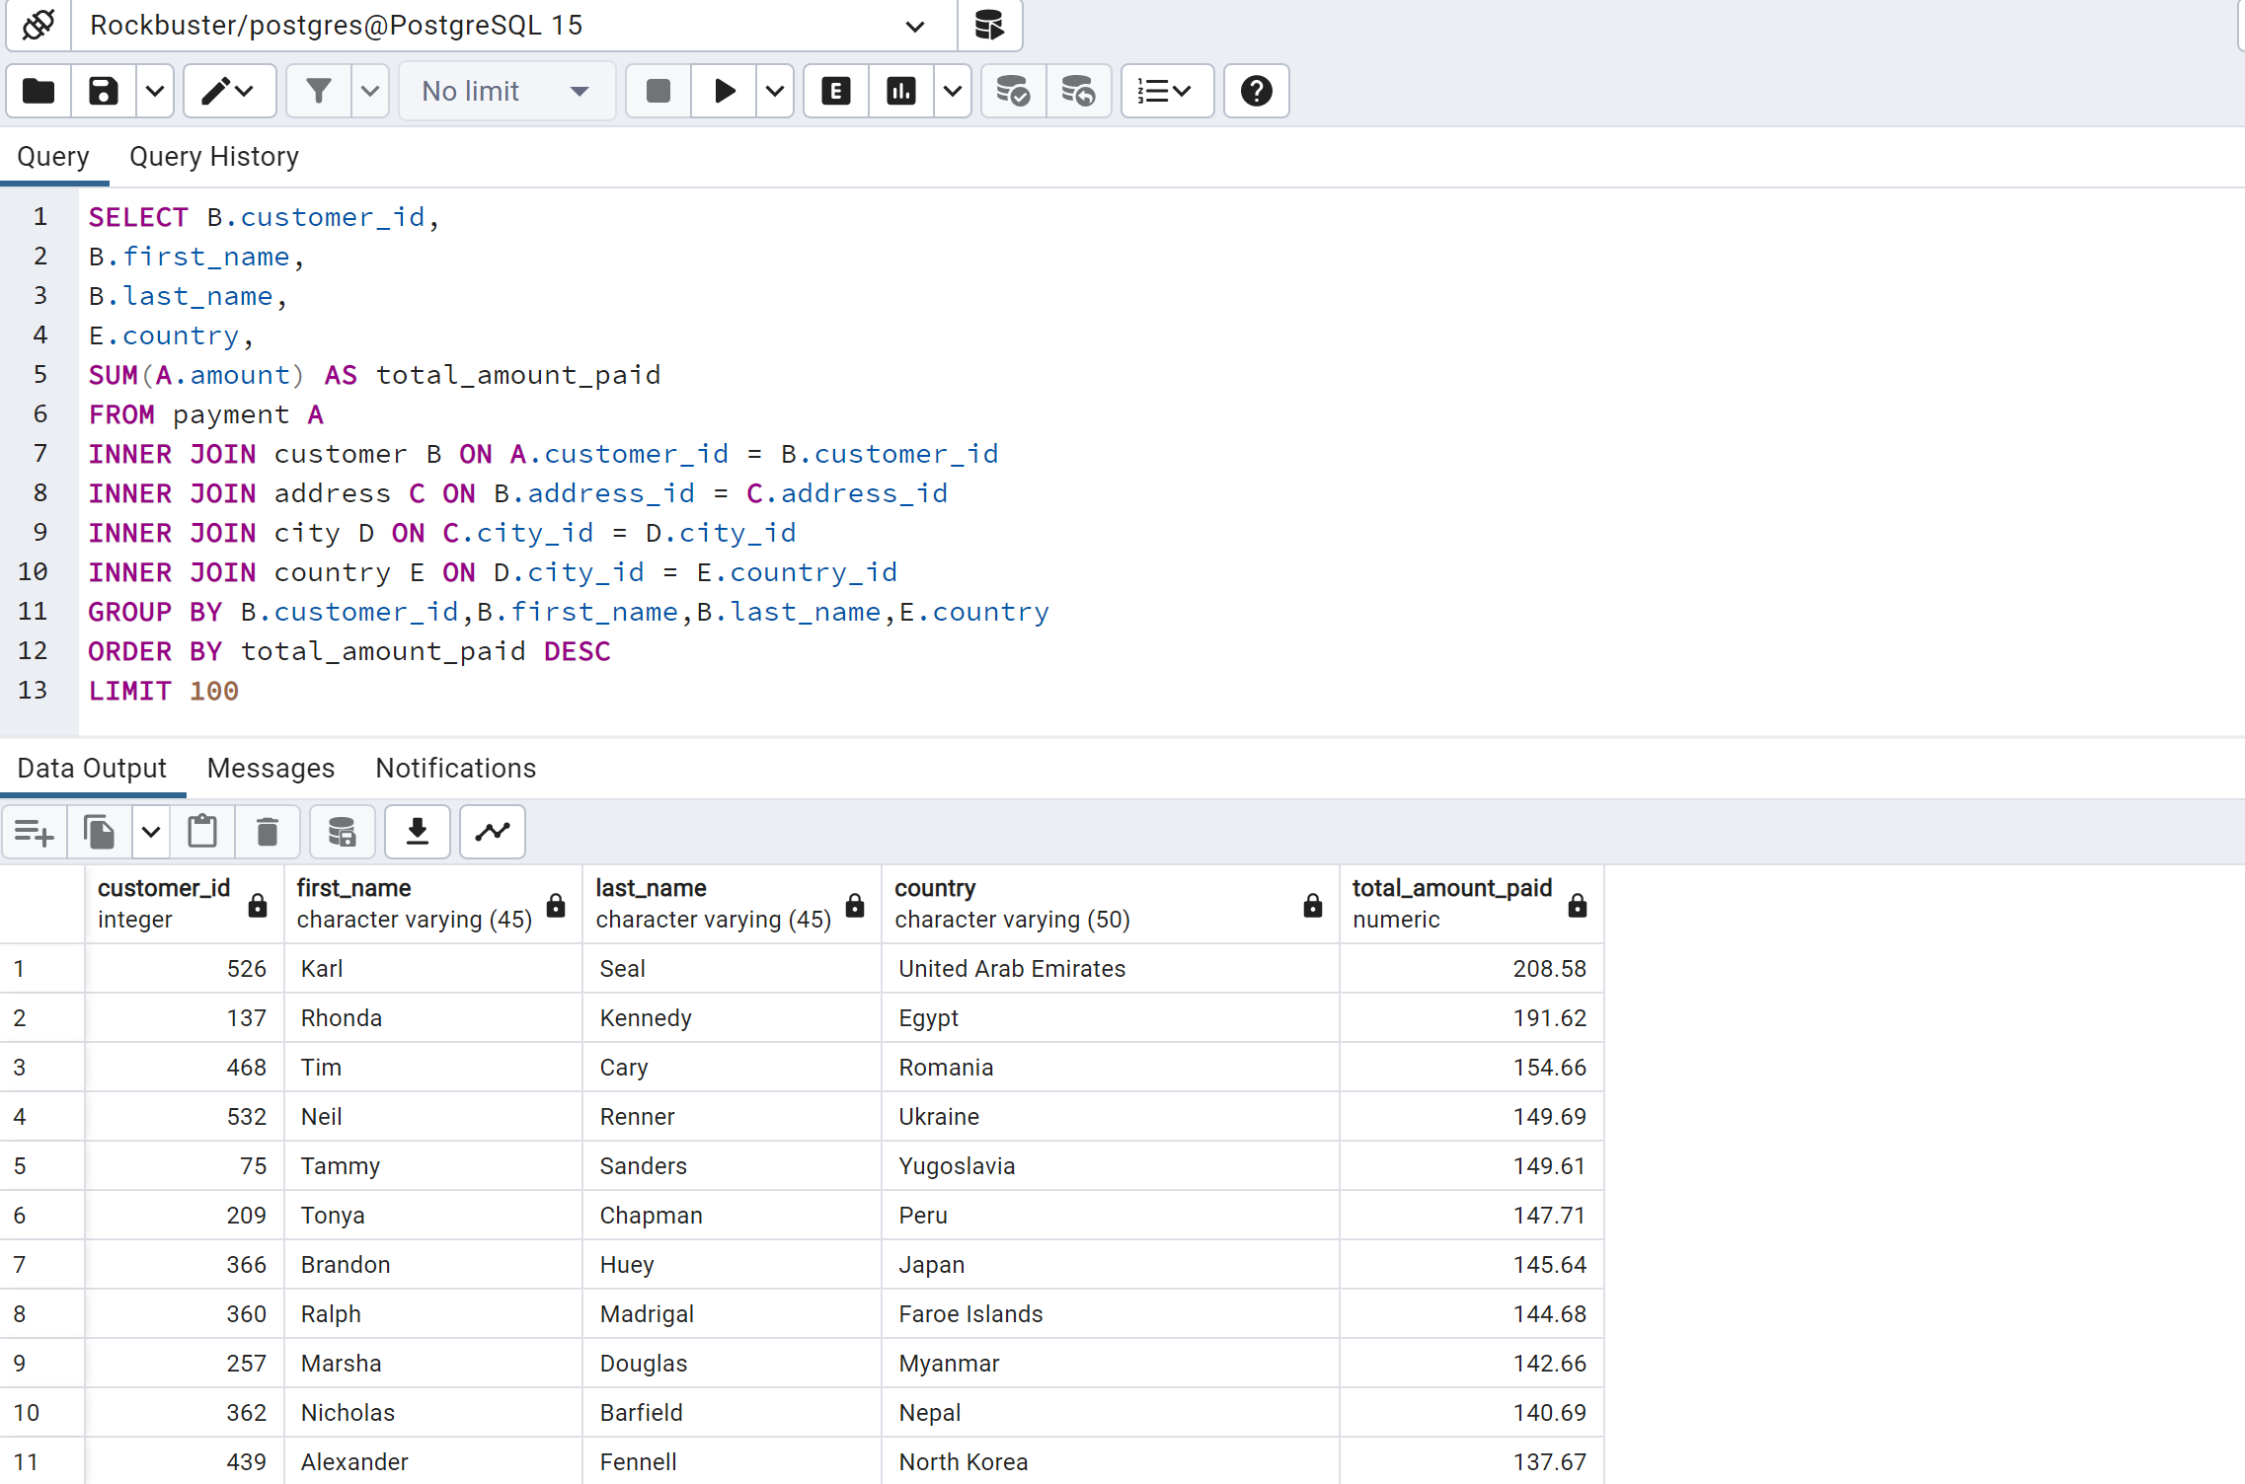
customer_id | first_name | last_name | country | total_amount_paid
148 | Eleanor | Hunt | Runion | 211.55
526 | Karl | Seal | United States | 208.58
178 | Marion | Snyder | Brazil | 194.61
137 | Rhonda | Kennedy | Netherlands | 191.62
144 | Clara | Shaw | Belarus | 189.6
459 | Tommy | Collazo | Iran | 183.63
181 | Ana | Bradley | United States | 167.67
410 | Curtis | Irby | Canada | 167.62
236 | Marcia | Dean | Philippines | 166.61
403 | Mike | Way | India | 162.67
522 | Arnold | Havens | Philippines | 161.68
469 | Wesley | Bull | Spain | 158.65
470 | Gordon | Allard | Yemen | 157.69
373 | Louis | Leone | Philippines | 156.66
259 | Lena | Jensen | India | 154.7
468 | Tim | Cary | India | 154.66
462 | Warren | Sherrod | Russian Federation | 152.69
372 | Steve | Mackenzie | Indonesia | 152.68
187 | Brittany | Riley | Ukraine | 151.73
550 | Guy | Brownlee | China | 151.69
176 | June | Carroll | Algeria | 151.68
532 | Neil | Renner | Vietnam | 149.69
75 | Tammy | Sanders | Taiwan | 149.61
209 | Tonya | Chapman | India | 147.71
86 | Jacqueline | Long | Thailand | 146.68
26 | Jessica | Hall | Holy See (Vatican City State) | 146.68
21 | Michelle | Clark | Bangladesh | 146.68
211 | Stacey | Montgomery | China | 146.67
346 | Arthur | Simpkins | Russian Federation | 145.7
366 | Brandon | Huey | Turkey | 145.64
50 | Diane | Collins | Sudan | 144.7
360 | Ralph | Madrigal | Puerto Rico | 144.68
348 | Roger | Quintanilla | Taiwan | 144.66
513 | Duane | Tubbs | Nauru | 143.7
454 | Alex | Gresham | Mexico | 143.68
347 | Ryan | Salisbury | Latvia | 142.7
390 | Shawn | Heaton | Thailand | 142.69
267 | Margie | Wade | China | 142.67
257 | Marsha | Douglas | Mozambique | 142.66
39 | Debra | Nelson | Brazil | 141.71
78 | Lori | Wood | India | 141.69
362 | Nicholas | Barfield | Brazil | 140.69
363 | Roy | Whiting | Kenya | 139.72
368 | Harry | Arce | Iran | 139.69
119 | Sherry | Marshall | Egypt | 139.69
66 | Janice | Ward | Sweden | 139.67
237 | Tanya | Gilbert | South Korea | 138.69
29 | Angela | Hernandez | Japan | 138.65
87 | Wanda | Patterson | Colombia | 137.72
80 | Marilyn | Ross | Nigeria | 137.7
439 | Alexander | Fennell | Italy | 137.67
558 | Jimmie | Eggleston | Poland | 135.72
494 | Ramon | Choate | Ecuador | 135.7
576 | Morris | Mccarter | Taiwan | 135.68
591 | Kent | Arsenault | Brazil | 134.73
467 | Alvin | Deloach | Mexico | 134.72
479 | Zachary | Hite | United States | 134.71
120 | Sylvia | Ortiz | Colombia | 134.7
210 | Ella | Oliver | Yemen | 134.7
204 | Rosemary | Schmidt | Turkey | 134.69
15 | Helen | Harris | India | 134.68
5 | Elizabeth | Brown | Taiwan | 134.65
349 | Joe | Gilliland | Philippines | 133.72
404 | Stanley | Scroggins | Japan | 133.71
172 | Bernice | Willis | Turkey | 133.7
197 | Sue | Peters | China | 133.68
265 | Jennie | Terry | Czech Republic | 132.72
533 | Jessie | Milam | China | 132.7
380 | Russell | Brinson | Poland | 132.65
472 | Greg | Robins | Vietnam | 131.74
13 | Karen | Jackson | Turkey | 131.73
125 | Ethel | Webb | South Africa | 131.69
46 | Catherine | Campbell | Russian Federation | 131.69
3 | Linda | Williams | Greece | 130.76
7 | Maria | Miller | Yugoslavia | 130.72
273 | Priscilla | Lowe | Mexico | 130.72
502 | Brett | Cornwell | India | 130.7
566 | Casey | Mena | Turkey | 130.68
342 | Harold | Martino | Brazil | 130.68
112 | Rosa | Reynolds | United States | 129.72
560 | Jordan | Archuleta | Argentina | 129.71
102 | Crystal | Ford | Israel | 129.7
168 | Regina | Berry | China | 129.68
484 | Roberto | Vu | China | 128.73
242 | Glenda | Frazier | China | 128.71
103 | Gladys | Hamilton | Nigeria | 128.71
84 | Sara | Perry | Mexico | 128.7
196 | Alma | Austin | Germany | 128.69
221 | Bessie | Morrison | Italy | 127.73
448 | Miguel | Betancourt | Germany | 127.73
141 | Debbie | Reyes | Japan | 127.69
520 | Mitchell | Westmoreland | Vietnam | 127.69
38 | Martha | Gonzalez | Moldova | 127.66
200 | Jeanne | Lawson | Turkmenistan | 126.74
436 | Troy | Quigley | Canada | 126.73
146 | Jamie | Rice | United States | 126.73
206 | Terri | Vasquez | Brazil | 126.73
108 | Tracy | Cole | Mexico | 126.72
114 | Grace | Ellis | Germany | 126.7
426 | Bradley | Motley | India | 125.74

Geographic_Sales
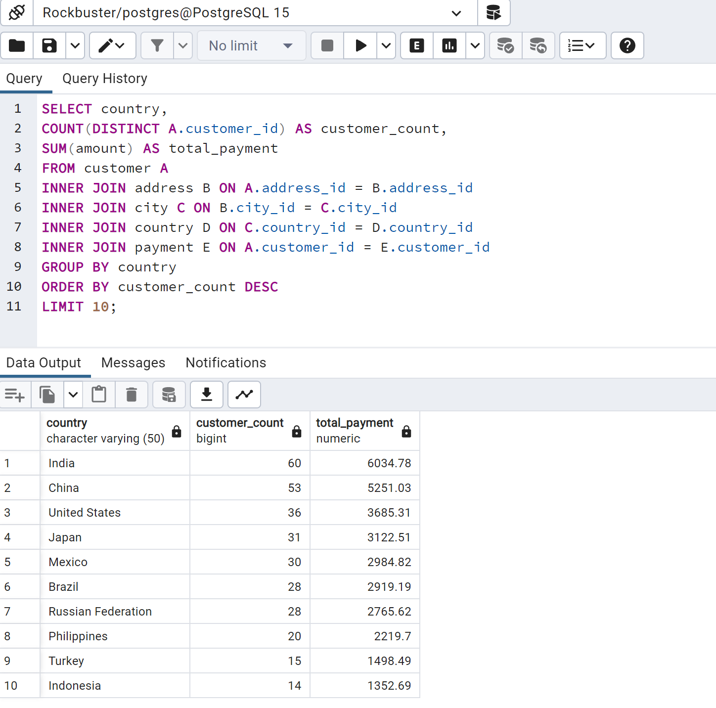
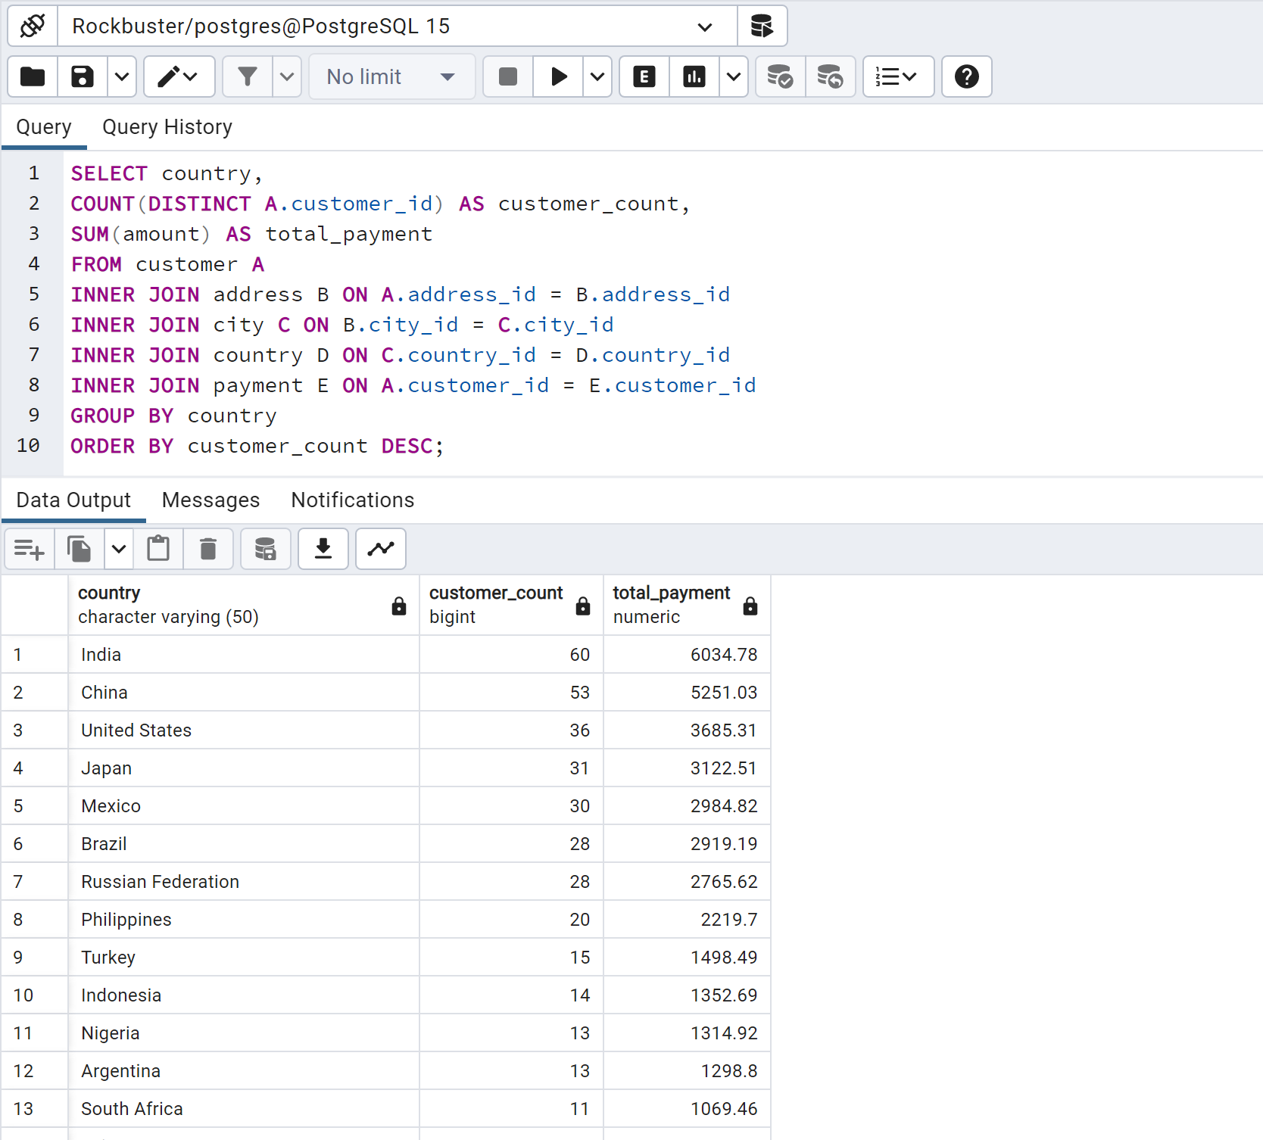
country | customer_count | total_payment
India | 60 | 6034.78
China | 53 | 5251.03
United States | 36 | 3685.31
Japan | 31 | 3122.51
Mexico | 30 | 2984.82
Brazil | 28 | 2919.19
Russian Federation | 28 | 2765.62
Philippines | 20 | 2219.7
Turkey | 15 | 1498.49
Indonesia | 14 | 1352.69
Nigeria | 13 | 1314.92
Argentina | 13 | 1298.8
Taiwan | 10 | 1155.1
South Africa | 11 | 1069.46
Iran | 8 | 877.96
United Kingdom | 9 | 850.96
Poland | 8 | 786.16
Italy | 7 | 753.26
Germany | 7 | 741.24
Vietnam | 6 | 676.45
Ukraine | 6 | 675.53
Colombia | 6 | 661.54
Egypt | 6 | 659.48
Venezuela | 7 | 632.43
Canada | 5 | 559.7
Netherlands | 5 | 557.73
South Korea | 5 | 527.77
Spain | 5 | 513.8
Yemen | 4 | 473.93
Pakistan | 5 | 473.84
Saudi Arabia | 5 | 452.94
Peru | 4 | 407.01
Thailand | 3 | 401.08
Israel | 4 | 379.13
Ecuador | 3 | 369.18
Bangladesh | 3 | 353.19
Algeria | 3 | 349.18
France | 4 | 334.12
Malaysia | 3 | 330.23
Tanzania | 3 | 322.22
Mozambique | 3 | 315.25
United Arab Emirates | 3 | 305.25
Dominican Republic | 3 | 304.26
Chile | 3 | 303.34
Austria | 3 | 284.3
Morocco | 3 | 274.35
Paraguay | 3 | 273.4
Belarus | 2 | 271.36
Latvia | 2 | 249.43
Switzerland | 3 | 248.41
Kenya | 2 | 245.49
Yugoslavia | 2 | 233.49
Puerto Rico | 2 | 224.48
Romania | 2 | 218.42
Runion | 1 | 211.55
French Polynesia | 2 | 205.52
Greece | 2 | 204.54
Sudan | 2 | 202.51
Azerbaijan | 2 | 198.53
Bulgaria | 2 | 194.52
Kazakstan | 2 | 192.51
Angola | 2 | 187.55
Cameroon | 2 | 186.49
Myanmar | 2 | 179.53
Cambodia | 2 | 179.51
Bolivia | 2 | 178.56
Congo, The Democratic Republic of the | 2 | 168.58
Oman | 2 | 161.56
Holy See (Vatican City State) | 1 | 146.68
Nauru | 1 | 143.7
Sweden | 1 | 139.67
Czech Republic | 1 | 132.72
Moldova | 1 | 127.66
Turkmenistan | 1 | 126.74
Chad | 1 | 122.72
Malawi | 1 | 121.73
Zambia | 1 | 121.7
Virgin Islands, U.S. | 1 | 121.69
Greenland | 1 | 119.72
Armenia | 1 | 118.75
Gambia | 1 | 114.73
Iraq | 1 | 111.73
Hungary | 1 | 111.71
Bahrain | 1 | 108.76
North Korea | 1 | 107.71
Brunei | 1 | 107.66
Kuwait | 1 | 106.75
Estonia | 1 | 105.72
Hong Kong | 1 | 104.76
Sri Lanka | 1 | 103.73
Liechtenstein | 1 | 99.74
Anguilla | 1 | 99.68
French Guiana | 1 | 97.8
Faroe Islands | 1 | 96.76
Senegal | 1 | 95.76
Nepal | 1 | 93.83
Tuvalu | 1 | 93.78
Madagascar | 1 | 92.79
Ethiopia | 1 | 91.77
New Zealand | 1 | 85.77
Slovakia | 1 | 80.77
Finland | 1 | 78.79
Tunisia | 1 | 73.78
Afghanistan | 1 | 67.82
Tonga | 1 | 64.84
Saint Vincent and the Grenadines | 1 | 64.82
Lithuania | 1 | 63.78
American Samoa | 1 | 47.85

